Instructions
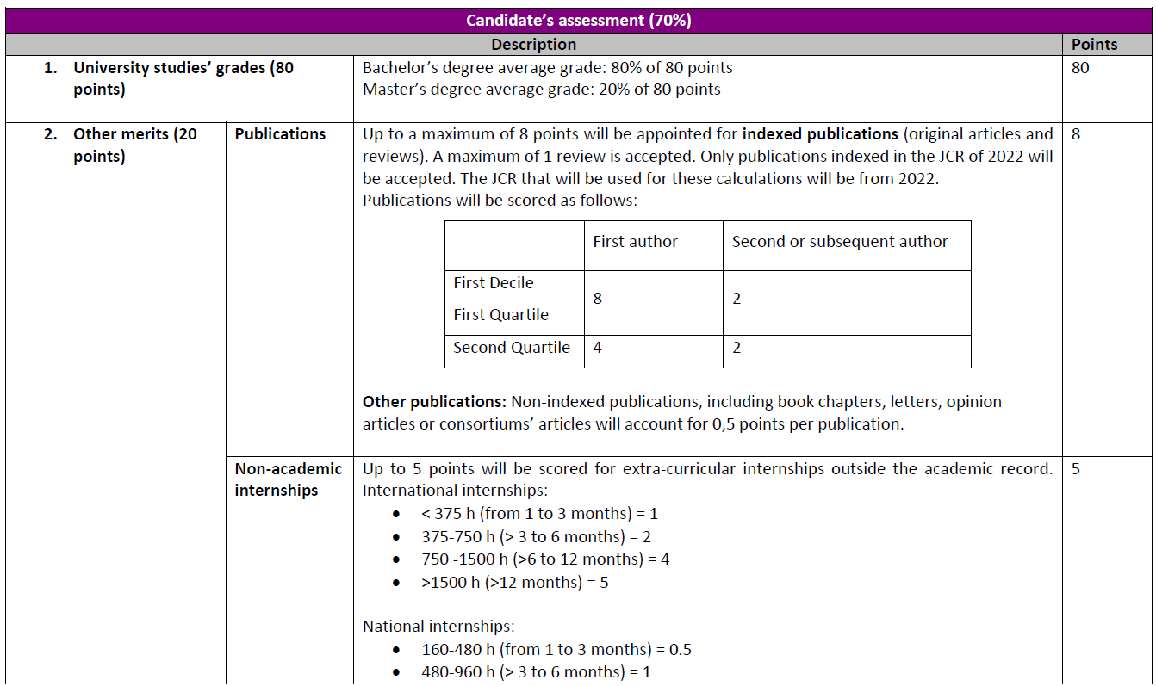

Candidate Instructions
You must only fill the following Tabs: "General info", "Publications", "Non-academic internships", "Erasmus+" and "Other merits" You must NOT fill the GREY BOXES

